Installation Details
S.No. | Client Name | Support Officer | Software Type | No. of Users | Status | Installation Date | Expiry Date | Payment Status
1 | Apurva Intl | Sunam | Web/ERP | 5 | Installation |  |  | Paid
2 | Bg Mall | Roshan | Restaurent | 3 | Training |  |  | Upaid
3 | Labim Mall | Bibek | Pos Billing | 2 | Complete |  |  | Paid
4 |  |  |  |  | Customization

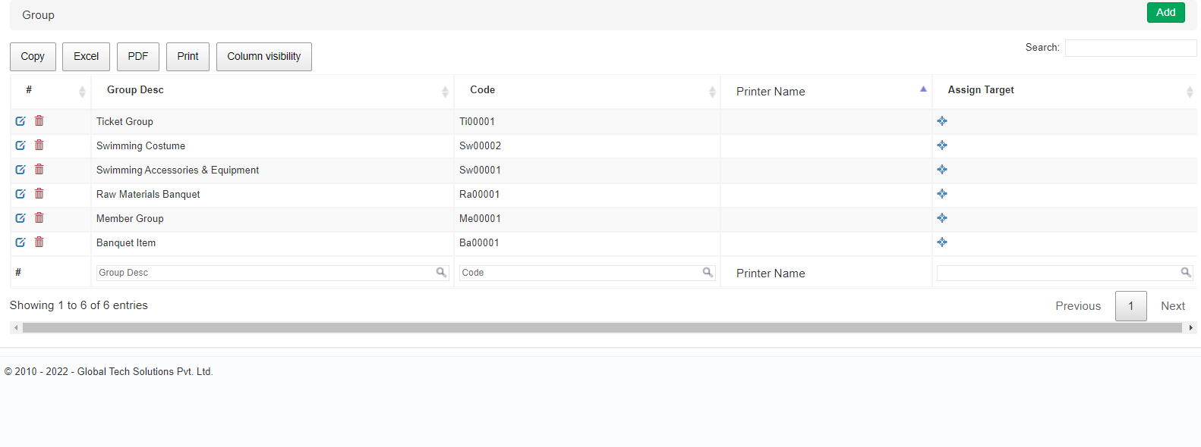

 | Change
 | Client Name | to | Contact person
 | Installed By | to | Support Officer
 | ADD
 | Company Email
 | Email

